Sheet1
Test Case ID |  | TC_Practical-009 | Test Case Description | Test the functionality of Flipkart Shopping Application.
Created By |  | Bhavana Mahalle | Reviewed By | Gauri Mahalle |  |  | Version |  | 1.0
Tester's Name |  |  | Date Tested |  |  |  | Test Case Status (Passed/Failed/NE)

# | Prerequisites: |  |  |  | # | Test Data
1 | Access to internet. |  |  |  | 1
2 | Chrome Browser. |  |  |  | 2
3 |  |  |  |  | 3
4 |  |  |  |  | 4

Test Scenario | Verify that User can add a product to cart.

Step # | Step Details |  | Expected Results |  | Actual Results |  |  | Pass / Fail / Not executed / Suspended
1 | Open Chrome browser and enter the Flipkart Website URL. |  | 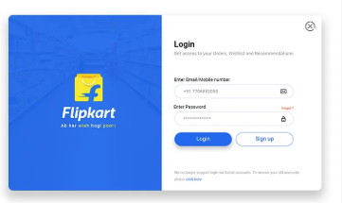 Flipkart home page is displayed successfully.
2 | Observe the flipkart logo on the home page. |  |  Flipkart logo is displayed correctly.
3 | Click on the Search box and enter"Mobile phone" |  | 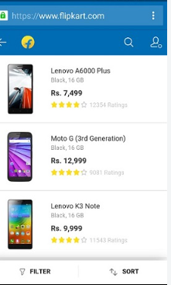 "Mobile Phone" is entered successfully in the search box.
4 | Click the search button or press Enter. |  | Relevant mobile phone products are displayed.
5 | Select any mobile phone from the search results. |  | Selected product details page is displayed.
6 | Observe the product name on the product page. |  | Correct product name is displayed.
7 | Observe the product images. |  | 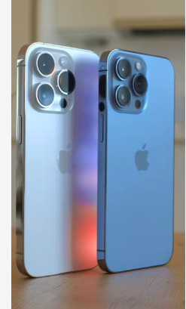 Product images are displayed clearly.
8 | Check the price of the selected mobile phone. |  | Correct product price is displayed.
9 | Select an available colour or storage option. |  | Selected colour or storage option is displayed.
10 | Click the Add to Cart button. |  | Selected product is added to the cart page is displayed.
11 | Click the cart icon. |  | 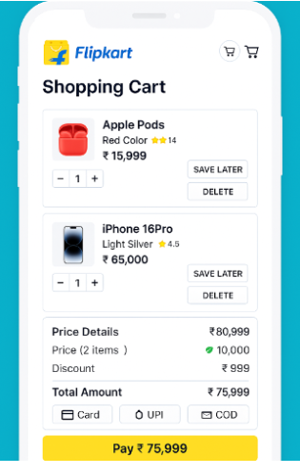 Shopping cart page is displayed.
12 | Check the product name,quantity and price in the cart. |  | Correct product details,quantity and price are displayed.
13 | Increase the product quantity from 1 to 2. |  | Product quantity and total price are updated correctly.
14 | Click the remove option for the product. |  | Product is removed from the cart sucessfully.
15 | Search for the mobile phone again and click Add to Cart. |  | Product is added to the cart sucessfully.
16 | Click Place Order/Buy Now from the cart. |  | Login or checkout page is displayed.
17 | Enter valid Flipkart login details and complete the login process. |  | User is logged in successfully.
18 | Enter valid delivery adress details and click continue. |  | Delivery address is accepted and displayed successfully.
19 | Select an available payment method Such as UPI,Card or Cash on Delivery . |  | Selected payment method is displayed successfully.
20 | Click Place Order and Complete the required payment /confirmation steps. |  | Order is placed Successfully.
21 | Observe the Order Confirmation page. |  | Order Confirmation message and Order ID are displayed.
22 | Open My Orders and check the recently placed order. |  | Recently placed product is displayed with the correct order status.

